A3_Stakeholder analysis
Stakeholder map

 |  | Project name: | Project name

Stakeholder map
 | Influence |  | Chart |  | Influence |  | Chart |  | Influence |  | Chart |  | Influence |  | Chart
4 | 9 | 5 | 5 | 4 | 9 | 5 | 5 | 4 | 9 | 5 | 5 | 4 | 9 | 5 | 5
4 | 6 |  |  | 4 | 6 |  |  | 4 | 6 |  |  | 4 | 6
2 | 8 |  |  | 2 | 8 |  |  | 2 | 8 |  |  | 2 | 8
9 | 9 |  |  | 9 | 9 |  |  | 9 | 9 |  |  | 9 | 9
 | Stakeholder Name | Power | Influence
#1 | Person 1 | 4 | 9
#2 | Person 2 | 4 | 6
#3 | Person 3 | 2 | 8
#4 | Person 4 | 9 | 9
#5 | Person 5
#6 | Person 6
#7 | Person 7
#8 | Person 8
#9 | Person 9
#10 | Person 10
#11 | Person 11
#12 | Person 12
#13 | Person 13
#14 | Person 14
#15 | Person 15
#16 | Person 16
#17 | Person 17
#18 | Person 18
#19 | Person 19
#20 | Person 20

 | Chart | 5 | 5

1 | No
2 | Slightly
3 | Shallow
4 | Fairly
5 | Neutral
6 | Moderately
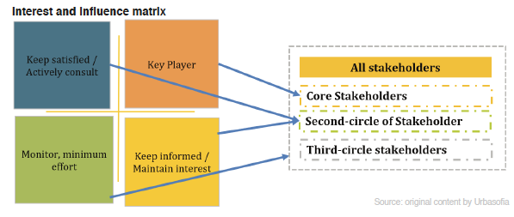
7 | Quite
8 | Very
9 | Strongly
10 | Extremely

